EPCB-005_R03
Electronics BOM_ R10 of 1P SEM NIC 4G CARD BELLY MODEL (EPCB-005_R05)
Sr.No. | FG Code | Parent Code | Designator | Image | Description | ERP Code | Qty | Package | Value | Rating | Tolerance | Manufacturer Part Number | Manufacturer | Operating Temp. Range | Mounting Side | Alternate ERP Code-1 | Alternate Part No.-1 | Alternate Mfr-1 | PTH/SMD | Remarks
1 | FGSEM4GSP0002 | SFSEM4TSP0002 | J4 | 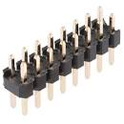 | 2X8 MALE HEADER/PITCH 2.54mm | ELEC-231_R00 | 1 | Headers PTH | 2X8 HEADER | 3A | - | 61301621121 | Wurth | –40 °C to +105 °C | Bottom |  |  |  | PTH
2 |  |  | H5 |  | Ø5mm x 16mm Length Spring | EMM015_R01 | 1 |  |  |  |  |  |  |  | Bottom |  |  |  | PTH
3 |  |  | J1 |  | PASSIVE ANTENNA 824–960 MHz, 1710–2690 MHz Size-40 × 15 mm | ELEC-229_R00 | 1 | U.FL | ANTENNA | - | - | YEL01A0AA | Quectel | -40 °C to +85 °C | Bottom |  |  |  | -
4 |  |  | SIM Card Connector(J5) |  | AIRTEL SIM M2M 4G SIM Card | ESIM-001-R00 | 1 |  |  |  |  |  |  |  | Bottom
5 |  |  |  | 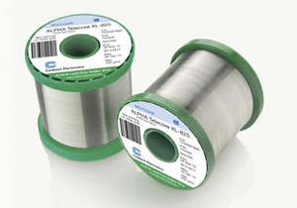 | Leadfree Solder Wire SN 99%/CU 0.7%/Ag0.3%, RC WIRE; 20 SWG/1mm ; 2% No Clean Flux | ECON-011_R01 | 0.001 Kgs
6 |  | SFSEM4SSP0002 | PCB |  | Board size: 77 x 45 mm, Material:FR4, Layer:2, surface: HAL Lead-Free, solder mask:Green, Legend Mask:White, Board Thickness:1.6mm, Copper: 35µ | EPCB-005_R05 | 1
7 |  |  | U1 | 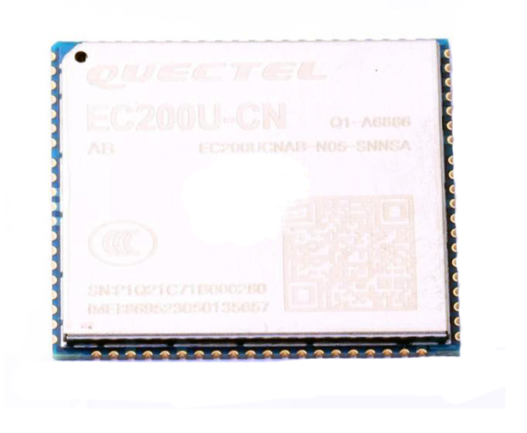 | QUECTEL CELLULAR 4G LTE MODULE | ELEC-201_R00 | 1 | LCC+LGA | 4G fall back to 2G | 3.3V - 4.3V | - | EC200NCNAA-N05-SNNSA | QUECTEL | -35 °C to +75 °C | Bottom |  |  |  | SMD
8 |  |  | Q1, Q2, Q3 |  | TRAN NPN 45V 0.5A TO236AB | ELEC-197_R00 | 3 | TO236AB | BC817 | 45 V/500mA | - | BC817-40,215 | NXPERIA | -65 °C to +150 °C | Bottom |  |  |  | SMD
9 |  |  | D9 | 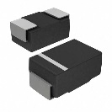 | TVS DIODE 4.5V 2550W SOD-323F | ELEC-227_R00 | 1 | SOD-323F | 2550 Watts Peak Pulse Power per Line (tp = 8/20μs) | 4.7 V | - | WS4.5D3HV | WAYON | -55 °C to +125 °C | Bottom | ELEC-228_R00 | ESD3Z5V0 | Diotec | SMD
10 |  |  | D3 | 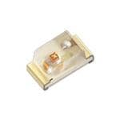 | LED/GREEN/0603 | ELEC-192_R00 | 1 | SMD 0603 | GREEN LED | 3.2V | - | 150060GS75003 | Wurth Elektronik | -40 °C to +100 °C | TOP |  |  |  | SMD
11 |  |  | D6 |  | ESD Suppressors / TVS Diodes BZA408B/SOT457 | ELEC-194_R00 | 1 | SOT457 | 4 CHANNEL TVS diode | 5V | - | BZA408B,125 | NXPERIA | -65 °C to +150 °C | TOP |  |  |  | SMD
12 |  |  | D4 |  | LED/ORANGE/0603 | ELEC-193_R00 | 1 | SMD 0603 | ORANGE LED | 2V | - | APT1608SECK/J4-PRV | Kingbright | -40 °C to +85 °C | TOP |  |  |  | SMD
13 |  |  | D2 |  | LED/RED/0603 | ELEC-191_R00 | 1 | SMD 0603 | RED LED | 2V | - | 150060RS75003 | Wurth Elektronik | -40 °C to +100 °C | TOP |  |  |  | SMD
14 |  |  | C4,C10,C14, C16,C17 |  | CAP CER 0.1UF 50V X7R ±10% SMD 0603 | ELEC-202_R00 | 5 | SMD 0603 | 0.1 µF | 50V | 10% | 06035C104K4T2A | Kyocera AVX | –55 °C to +125 °C | Bottom ( C4 TOP) |  |  |  | SMD
15 |  |  | C1,C2,C5,C6, C7,C9,C13 |  | CAP CER 33pF 25V ±5% C0G, NP0 SMD 0603 | ELEC-224_R00 | 7 | SMD 0603 | 33 pF | 25V | ±5% | 06033A330JAT2A | Kyocera AVX | –55 °C to +125 °C | Bottom (C5 to C7 TOP) |  |  |  | SMD
16 |  |  | C8,C12 |  | CAP CER 10pF 25V ±10% C0G, NP0 SMD 0603 | ELEC-085_R00 | 2 | SMD 0603 | 10 pF | 25V | ±10% | 06033A100KAT2A | Kyocera AVX | –55 °C to +125 °C | TOP |  |  |  | SMD
17 |  |  | C11,C15 | 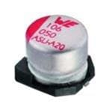 | CAP Alu Elect Radial 100µF 6.3V ±20% SMD | ELEC-225_R00 | 2 | Radial, Can - SMD | 100uF | 6.3 VDC | 20% | UZS0J101MCL1GB | NICHICON | –40 °C to +85 °C | TOP | ELEC-247_R00 | 865080243007 | WURTH | SMD
18 |  |  | J5 | 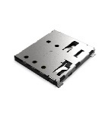 | NANO SIM PUSH-PUSH 6P 1.44mm H G | EEJ001-012 | 1 | SMD/SMT |  | 30 V | - | SIM8066-6-1-14-01-A | GCT | –40 °C to +85 °C | Bottom |  |  |  | SMD
19 |  |  | R3,R7,R8,R13,R14 |  | RES SMD 4.7 KOhms ±5% 0.1W 1/10W 0603 | ELEC-233_R00 | 5 | SMD 0603 | 4.7K | 1/10W | 5% | RC0603JR-074K7L | YAGEO | –55 °C to +155 °C | Bottom |  |  |  | SMD
20 |  |  | R6,R11,R12 |  | RES SMD 2.2 KOhms ±1% 0.1W 1/10W 0603 | ELEC-234_R00 | 3 | SMD 0603 | 2.2k | 1/10W | 1% | RC0603FR-072K2L | YAGEO | –55 °C to +155 °C | Bottom (R6 TOP) |  |  |  | SMD
21 |  |  | R4,R5 |  | RES SMD 750 Ohms ±1% 0.1W 1/10W 0603 | ELEC-052_R00 | 2 | SMD 0603 | 750R | 1/10W | 1% | RC0603FR-07750RL | Yageo | –55 °C to +155 °C | Bottom |  |  |  | SMD
22 |  |  | R1 |  | RES 0 OHM JUMPER 1/16W 0402 | ELEC-198_R00 | 1 | SMD 0402 | 0R | 1/16 W | 1% | RC0402FR-070RL | Yageo | –55 °C to +155 °C | Bottom |  |  |  | SMD
23 |  |  | R10 |  | RES SMD 15 KOhms ±1% 0.1W 1/10W 0603 | ELEC-232_R00 | 1 | SMD 0603 | 15k | 1/10W | 1% | RC0603FR-0715KL | YAGEO | –55 °C to +155 °C | TOP |  |  |  | SMD
24 |  |  |  | 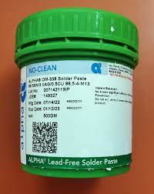 | Leadfree Solder Paste, SN 99%/CU 0.7%/Ag0.3%; 2% Flux, T4 | ECON-010_R00 | 0.0022 Kgs
Total Components |  |  |  |  |  |  | 43 | PTH componant : 2 SMD componant :39 PCB :1 SIM Card : 1
BOM Rev.No:R10 |  |  |  |  | Date: 26/07/2024 | PCB No : EPCB-005_R05 |  |  |  |  | Prepared By: Ronak Patel |  |  | Checked By :Sanjay Tarbundiya |  |  | Approved By : Gyanprakash Asthana

Electronics BOM Change Note

Revision | Rev. Date | Description |  |  |  |  | Changed by |  | Checked by |  | Approved by |  | Remarks
VER1.5 | 2022-12-02 | Initially Released |  |  |  |  | KC |  | AM |  | AM
R00 | 2023-10-24 | JP6,JP7 is removed, C4 footprint change to 0603, Some alter part number is added and D7,D8,J2 is DNM |  |  |  |  | KC |  | AM |  | AM
R01 | 2023-10-25 | R2,R3,R9,D1,D5,D7,D8 and C3 are removed and update formate |  |  |  |  | RP |  | ST |  | SD
R02 | 2023-11-01 | one RnD Part remove, Component Package Modified, Module Part Number Modified and Pkg details update. |  |  |  |  | RP |  | ST |  | SD
R03 | 2023-12-09 | Alternate Part No. Added (Given by purchase) , surface: HAL Lead-Free |  |  |  |  | RP |  | ST |  | SD
R04 | 2023-12-13 | D1,R3 Added. |  |  |  |  | RP |  | ST |  | SD
R05 | 2023-12-16 | Mechanical Part added (Spring) |  |  |  |  | RP |  | ST |  | SD
R06 | 2024-01-13 | Added Solder Paste And Solder Wire Requirement Qty. |  |  |  |  | RP |  | ST |  | SD
 |  | Changed PCB No : EPCB-005_R02
 |  | Added Sim Card (ESIM-001-R00)
R07 | 2024-03-20 | Changed PCB No : EPCB-005_R03 |  |  |  |  | RP |  | ST |  | SD
 |  | Removed D1 (ELEC-227_R00)

R08 | 26/04/2024 | Rev. Changed to (EPCB-005_R04) from (EPCB-005_R03) |  |  |  |  | RP |  | ST |  | SD
 |  | PCB Surface Changed to (OSP Lead-Free) from (HAL Lead-Free)
R09 | 27/05/2024 | solder wire Qty. Updated 0.001 Kgs from 0.015Kgs |  |  |  |  | RP |  | ST |  | SD
 |  | Spring Designator Changed H5 from H3
R10 | 26/07/2024 | Rev. Changed to (EPCB-005_R05) from (EPCB-005_R03) |  |  |  |  | RP |  | ST |  | SD
 |  | sim connector changed to EEJ001-012 from ELEC-196_R00

